Review
Sl. No | Issue in Metadata sheet | Tab | Description of issue | suggested resolution | Example
1 | All three Metadata namely loan, checking and demand. | D1, D2 and D6 | All row highligted in pink is in error(There are in built macro to highlight cell if rule is violated)e.g . D1 sheet Col D "Data Element Name" cannot be duplicate | Each highlighted row needs to analyse for possible issue and then fixed accordingly.
2 | All three metadata | D1 | Representation of Primay and atomic filed is not correct in D1. Also name of atomic CDE should not be same as primary CDE | Atomic fields should be nested below primay fields and col c (#) should be logically related as per example provided | 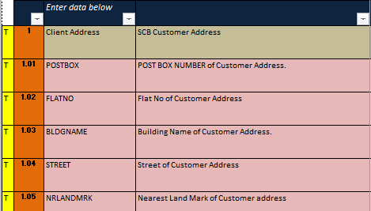
3 | All three metadata | D6 | D6- Column L ("Data Source for Traget System") should not be blank. This is very important because Col L is basis to identify what are manual inputs and for furter checks like if manual input has prescribed control or not. | Fill in Col L with correct value. If not applicabale then write "not applicable" . But do not leave this cell blank.
4 | All Three | D6 | D6 - col N and O (col "Transform/Dervied", "Transformation /Derivation logic") Should not be blank. | If not applicable do fill in as "not applicable".do not leave this cell blank.
5 | Checking | D6 | Sl no 31 "Days Past Due" - value in col T "Screen name" does not seems to be correct . Can you double check | Check and confirm .
6 | Checking | D6 | Sl no 1 "TP Id" col L souce data for target is "not applicable" still there is value in col T for screen name for manual entry | Check and confirm .
7 | Loan | D6 | Col F "file name received from Source" should have specific name of file (not name of all file srecieved from updtream). E.g. for "Principal outstanding/Notional " 12 names of files are mentioned in col F. | Check and confirm that "Principal outstanding/Notional" is received in all 12 files mentioned in col F. | 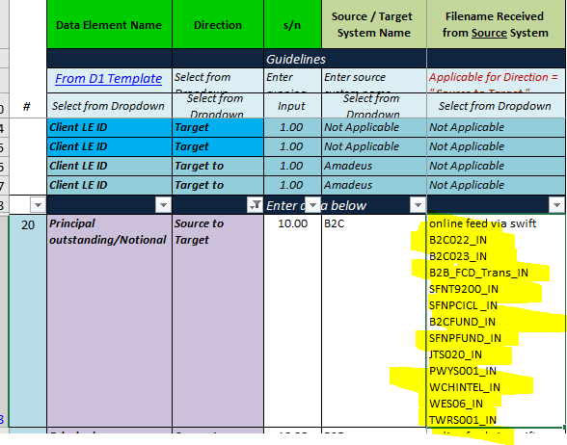
8 | Loan | D2 and D6 | D2 and D6 should be in sync menaing if there is any file mentioned in D6 then it should be mentioned in D2 also (vice versa). eg. D6 mentions two system SME and Detica as Target to destination. However in D2 there is no mention of file that goes from tandem to SME and Detica | This is just an example . Check for similar issue across all there metadata.
9 | Checking | D2 and D6 | D2 and D6 should be in sync menaing if there is any file mentioned in D6 then it should be mentioned in D2 also (vice versa). In D6 there is entry for Target to destination for system "PEOPLESOFT FTP" however same is not mentioned in D2. | This is just an example . Check for similar issue across all there metadata.
10 | Demand | D2 and D6 | D2 and D6 should be in sync menaing if there is any file mentioned in D6 then it should be mentioned in D2 also (vice versa). In D6 there is entry for Target to destination for system "CEMS"and "PEOPLESOFT FTP" however same is not mentioned in D2. | This is just an example . Check for similar issue across all there metadata.

